Mock Data
Objective / Hypotheses: What is the likelihood of being infected by Covid-19? How is infection affected by factors such as vaccination rates, gender, and ethnicity?

Circle (Elsa): The member in the circle role will create a mockup of a database with a set of sample data, or even fabricated data.

Johns Hopkins U
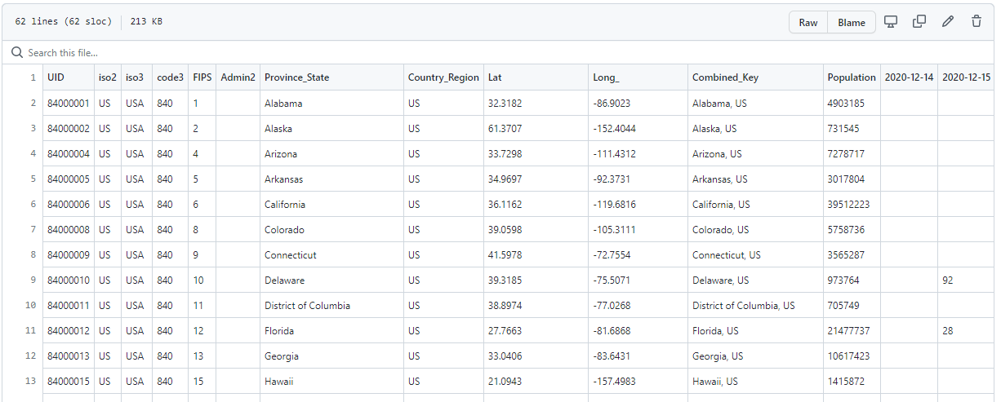

CDC

CDC

